AskProcurementType Flow
Go to Call flow dialog V2 conversation
1. Ask Bot : How I know criteria for procurement type?
2. Bot Ask : Is your purchase item value is more than 350$?
Ans - yes ----> Go to 3
Ans - no ----> End Go to payment process

3. Bot Ask : What is your purchase item? (Please fill in your goods / service name) (Check Entities ProcurementType)
Ans – [Whatever] ----> Go to 4
Ans - Barriers ----> End Go to payment process

4. Bot Ask : Is purchasing under which company? (Check Entities ProcurementCompanyList)
Ans - [Whatever] ----> Go to 4
Ans - PTTEP HK ----> Go to 5 (State Enterprise)
Ans - PTTEP AAO ----> End (Non State Enterprise)

5. Bot Ask : What is project name in this purchasing? (Check Entities ProcurementProjectLocation)
Ans - Other ----> Go to 6
Ans - PSB Ranong (Operate), E5 Project (None Operate) ----> End
Ans - [Whatever] ----> End

6. Bot Ask : What is good/services do you need to purchase? (Please answer items name for this purchase) (Check Entities ProcurementType)
Ans - Site Roads ----> End Commercial & Non Commercial
Ans - Position Cars ----> End Non Commercial
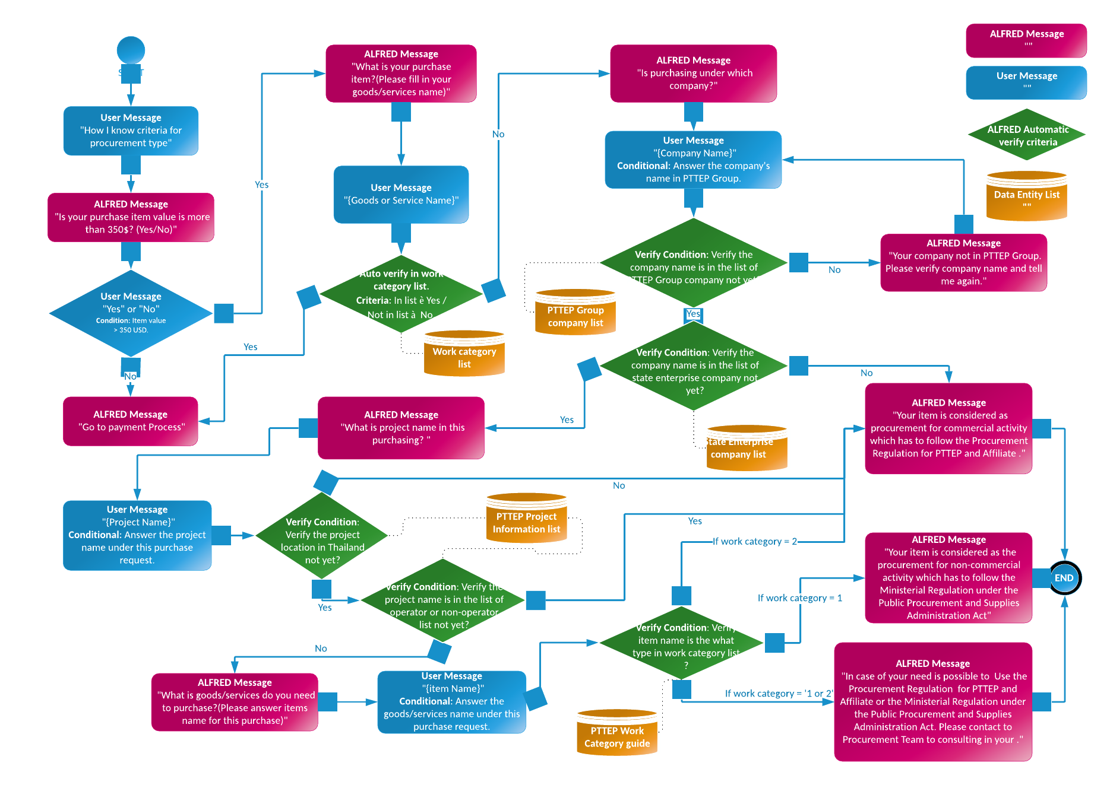
Ans - AHT ----> End Commercial

